Pipe materials
Acronyme | Conduit material | Corrodible | This is a list of pipe materials recognized by Mega-WATS
AC | ASBESTOS Cement | Yes | Note: Pipe materials only does two things:
BR | Brick |  | a) decide if the material is corrodible or not. Only the materials on the list marked with yes are corrodible
BR-CP | BRICK -CIPL Cast in Place Pipe | Yes | b) displays the pipe material in the overview examplified below
BR-DI | BRICK -DIP |  | In other words, WATS in reality only works with two material types: Corrodible and Non-corrodible. Anything
BR-GU | BRICK -Gunite/sprayed mortar | Yes | else is simply information for the user but not used in the modelling
BRICK | Brick |  | If the pipe material is not in the list, Mega-WATS assumes it to be non-corrodible
BR-PE | BRICK -PELiner
BR-VC | BRICK -PELiner
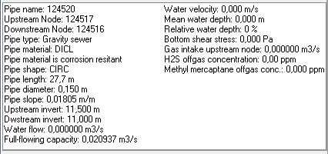
CI | Cast Iron Pipe
CIP | Cast Iron Pipe
CI-PE | Cast Iron Pipe/ PeP liner
CIPP | Cure In Place Pipe-don’t use
CMP | Corregated Metal Pipe
CO | Concrete | Yes
CONC | Concrete | Yes
CONCRETE | Concrete | Yes
DI | Ductile Iron
DIP | Ductile Iron
F
ffs
FG | FG-Fiberglass or Hobas
FRP
HDPE | High Density PE
IS-CP | ISP-CIPP | Yes
ISP | ISP -Iron Stone Pipe
IS-PE | ISP-PEPipe sliplined
IS-PV | ISP-PVC
PE | Poly ethylene
PEP | Poly ethylene
PRFVC | Perforated VCP
PVC | Polyvinyl Chloride
RC | Reinforced Concrete | Yes
RCP | Reinforced Concrete | Yes
RC-PE | RCP -HDPE sliplined
SRCP | SRCP-Spun Reinforced Concrete Pipe | Yes
ST | Steel
STEEL | Steel
STONE | Stone
TUNNL | Concrete Reinforced Tunnel | Yes
UNK | Unknown
UNKN | Unknown
VC | Vitrified Clay
VC-CP | VCP -CIPL | Yes
VCP | Vitrified Clay
VC-RC | VCP -RCP | Yes
XI

